Sheet1
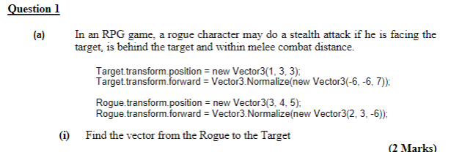

Source |  | 3 | 4 | 5
Destination |  | 1 | 3 | 3
RtoT |  | -2 | -1 | -2

Magnitude of RtoT |  |  | 3 |  | In Unity we use v.magnutude to get this

 |  | Vector3.Normalise |  | Gets the unit vector parallel to given vector in unity

v |  | 2 | 3 | -6
|v| |  | 7
v.normalised |  | 0.28571428571 | 0.42857142857 | -0.85714285714

RtoT |  | -2 | -1 | -2
R_forward |  | 2 | 3 | -6
Scalar Dot |  | 5
 |  | Yes

RtoT |  | -2 | -1 | -2
T_Forward |  | -6 | -6 | 7
Scalar Dot |  | 4
 |  | Yes

 | Max distance |  | 4
 |  | Distance? | Yes

 | Overall

 |  |  | s = u t
 |  |  | v = u + a t
 |  |  | F = m a

